DemographicData
Country Name | Country Code | Birth rate | Internet users | Income Group |  | As an Excel expert, you need to perform the following tasks with the given dataset, which consists of the demographic details of various countries.
Aruba | ABW | 10.244 | 78.9 | High income | 1) | Create the name range for birth rate and income group.
Afghanistan | AFG | 35.253 | 5.9 | Low income |  | Created on column C and D
Angola | AGO | 45.985 | 19.1 | Upper middle income | 2) | Calculate various statistical details:
Albania | ALB | 12.877 | 57.2 | Upper middle income | i) | Mean of birth rate and internet users.
United Arab Emirates | ARE | 11.044 | 88 | High income | Answer | Mean of birth rate and internet users. | 21.46992821
Argentina | ARG | 17.716 | 59.9 | High income |  | Mean of internet users | 42.07647089
Armenia | ARM | 13.308 | 41.9 | Lower middle income | ii) | Median of birth rate and internet users.
Antigua and Barbuda | ATG | 16.447 | 63.4 | High income | Answer | Median of birth rate | 19.68
Australia | AUS | 13.2 | 83 | High income |  | Median of internet users | 41
Austria | AUT | 9.4 | 80.6188 | High income
Azerbaijan | AZE | 18.3 | 58.7 | Upper middle income | iv) | Variance of birth rate and internet users (consider both the population and sample variances).
Burundi | BDI | 44.151 | 1.3 | Low income | Answer | variance of birth rate | 112.4759238
Belgium | BEL | 11.2 | 82.1702 | High income |  | variance of internet users | 842.7866766
Benin | BEN | 36.44 | 4.9 | Low income
Burkina Faso | BFA | 40.551 | 9.1 | Low income | v) | Standard deviation of birth rate and internet users (consider both the population and sample standard deviations).
Bangladesh | BGD | 20.142 | 6.63 | Lower middle income | Answer | std of birth rate | 10.60546669
Bulgaria | BGR | 9.2 | 53.0615 | Upper middle income |  | std of internet users | 29.03078842
Bahrain | BHR | 15.04 | 90.0000397 | High income
Bahamas, The | BHS | 15.339 | 72 | High income | vi) | IQR of birth rate and internet users.
Bosnia and Herzegovina | BIH | 9.062 | 57.79 | Upper middle income |  | Q1 of birth rate | 12.1205
Belarus | BLR | 12.5 | 54.17 | Upper middle income |  | Q3 of birth rate | 29.7595
Belize | BLZ | 23.092 | 33.6 | Upper middle income |  | IQR = Q3-Q1 | 17.639
Bermuda | BMU | 10.4 | 95.3 | High income
Bolivia | BOL | 24.236 | 36.94 | Lower middle income |  | Q1 of internet users | 14.52
Brazil | BRA | 14.931 | 51.04 | Upper middle income |  | Q3 of internet users | 66.225
Barbados | BRB | 12.188 | 73 | High income |  | IQR= Q3-Q1 | 51.705
Brunei Darussalam | BRN | 16.405 | 64.5 | High income
Bhutan | BTN | 18.134 | 29.9 | Lower middle income |  | Create filters on country and income groups:
Botswana | BWA | 25.267 | 15 | Upper middle income
Central African Republic | CAF | 34.076 | 3.5 | Low income |  | Use the country filter and check which income group India falls under.
Canada | CAN | 10.9 | 85.8 | High income |  | Lower middle income
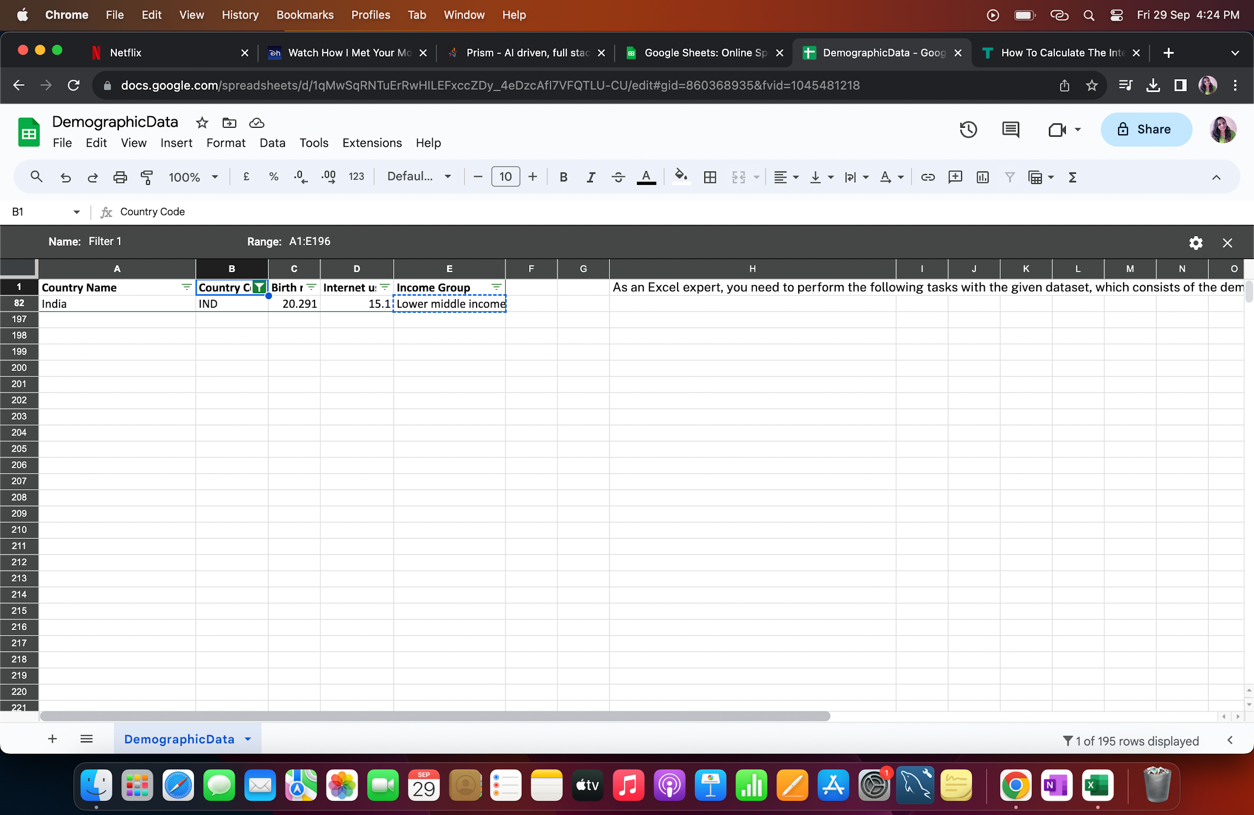
Switzerland | CHE | 10.2 | 86.34 | High income
Chile | CHL | 13.385 | 66.5 | High income
China | CHN | 12.1 | 45.8 | Upper middle income
Cote d'Ivoire | CIV | 37.32 | 8.4 | Lower middle income
Cameroon | CMR | 37.236 | 6.4 | Lower middle income
Congo, Rep. | COG | 37.011 | 6.6 | Lower middle income
Colombia | COL | 16.076 | 51.7 | Upper middle income
Comoros | COM | 34.326 | 6.5 | Low income
Cabo Verde | CPV | 21.625 | 37.5 | Lower middle income
Costa Rica | CRI | 15.022 | 45.96 | Upper middle income
Cuba | CUB | 10.4 | 27.93 | Upper middle income
Cayman Islands | CYM | 12.5 | 74.1 | High income
Cyprus | CYP | 11.436 | 65.4548 | High income
Czech Republic | CZE | 10.2 | 74.1104 | High income
Germany | DEU | 8.5 | 84.17 | High income
Djibouti | DJI | 25.486 | 9.5 | Lower middle income
Denmark | DNK | 10 | 94.6297 | High income
Dominican Republic | DOM | 21.198 | 45.9 | Upper middle income
Algeria | DZA | 24.738 | 16.5 | Upper middle income
Ecuador | ECU | 21.07 | 40.35368423 | Upper middle income
Egypt, Arab Rep. | EGY | 28.032 | 29.4 | Lower middle income
Eritrea | ERI | 34.8 | 0.9 | Low income
Spain | ESP | 9.1 | 71.635 | High income
Estonia | EST | 10.3 | 79.4 | High income |  | Filter all the countries of the same income group as India and take the count of countries.
Ethiopia | ETH | 32.925 | 1.9 | Low income |  | Count is 50
Finland | FIN | 10.7 | 91.5144 | High income
Fiji | FJI | 20.463 | 37.1 | Upper middle income
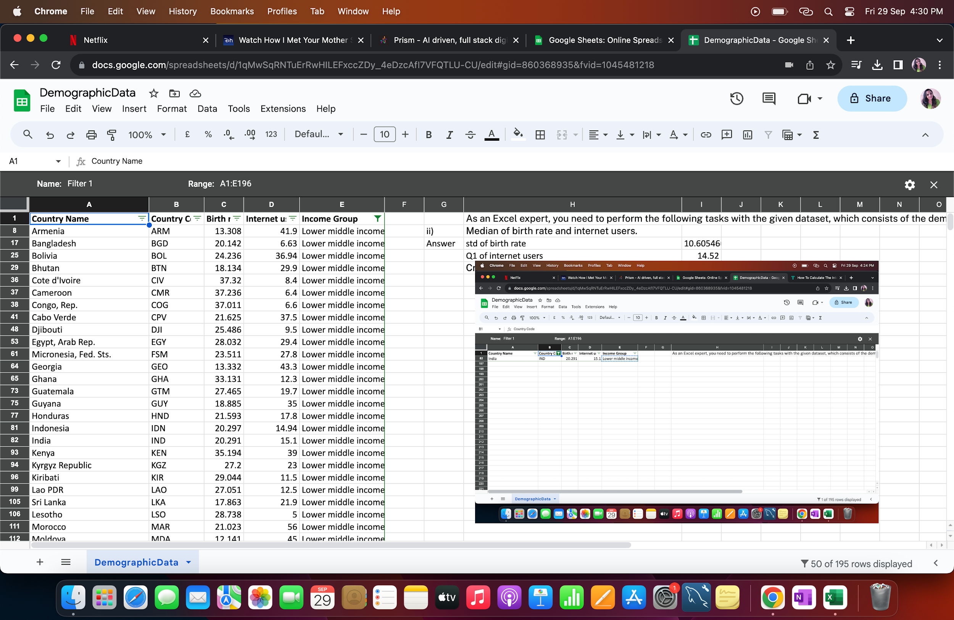
France | FRA | 12.3 | 81.9198 | High income
Micronesia, Fed. Sts. | FSM | 23.511 | 27.8 | Lower middle income
Gabon | GAB | 30.555 | 9.2 | Upper middle income
United Kingdom | GBR | 12.2 | 89.8441 | High income
Georgia | GEO | 13.332 | 43.3 | Lower middle income
Ghana | GHA | 33.131 | 12.3 | Lower middle income
Guinea | GIN | 37.337 | 1.6 | Low income
Gambia, The | GMB | 42.525 | 14 | Low income
Guinea-Bissau | GNB | 37.503 | 3.1 | Low income
Equatorial Guinea | GNQ | 35.362 | 16.4 | High income
Greece | GRC | 8.5 | 59.8663 | High income
Grenada | GRD | 19.334 | 35 | Upper middle income
Greenland | GRL | 14.5 | 65.8 | High income
Guatemala | GTM | 27.465 | 19.7 | Lower middle income
Guam | GUM | 17.389 | 65.4 | High income
Guyana | GUY | 18.885 | 35 | Lower middle income
Hong Kong SAR, China | HKG | 7.9 | 74.2 | High income
Honduras | HND | 21.593 | 17.8 | Lower middle income
Croatia | HRV | 9.4 | 66.7476 | High income
Haiti | HTI | 25.345 | 10.6 | Low income
Hungary | HUN | 9.2 | 72.6439 | High income
Indonesia | IDN | 20.297 | 14.94 | Lower middle income
India | IND | 20.291 | 15.1 | Lower middle income |  | Create the pivot table and add country, income group, and internet users in the same Excel sheet.
Ireland | IRL | 15 | 78.2477 | High income
Iran, Islamic Rep. | IRN | 17.9 | 29.95 | Upper middle income
Iraq | IRQ | 31.093 | 9.2 | Upper middle income
Iceland | ISL | 13.4 | 96.5468 | High income
Israel | ISR | 21.3 | 70.8 | High income
Italy | ITA | 8.5 | 58.4593 | High income
Jamaica | JAM | 13.54 | 37.1 | Upper middle income
Jordan | JOR | 27.046 | 41 | Upper middle income
Japan | JPN | 8.2 | 89.71 | High income
Kazakhstan | KAZ | 22.73 | 54 | Upper middle income
Kenya | KEN | 35.194 | 39 | Lower middle income
Kyrgyz Republic | KGZ | 27.2 | 23 | Lower middle income
Cambodia | KHM | 24.462 | 6.8 | Low income
Kiribati | KIR | 29.044 | 11.5 | Lower middle income
Korea, Rep. | KOR | 8.6 | 84.77 | High income
Kuwait | KWT | 20.575 | 75.46 | High income
Lao PDR | LAO | 27.051 | 12.5 | Lower middle income
Lebanon | LBN | 13.426 | 70.5 | Upper middle income
Liberia | LBR | 35.521 | 3.2 | Low income
Libya | LBY | 21.425 | 16.5 | Upper middle income
St. Lucia | LCA | 15.43 | 46.2 | Upper middle income
Liechtenstein | LIE | 9.2 | 93.8 | High income
Sri Lanka | LKA | 17.863 | 21.9 | Lower middle income
Lesotho | LSO | 28.738 | 5 | Lower middle income
Lithuania | LTU | 10.1 | 68.4529 | High income
Luxembourg | LUX | 11.3 | 93.7765 | High income
Latvia | LVA | 10.2 | 75.2344 | High income
Macao SAR, China | MAC | 11.256 | 65.8 | High income
Morocco | MAR | 21.023 | 56 | Lower middle income
Moldova | MDA | 12.141 | 45 | Lower middle income
Madagascar | MDG | 34.686 | 3 | Low income
Maldives | MDV | 21.447 | 44.1 | Upper middle income
Mexico | MEX | 19.104 | 43.46 | Upper middle income
Macedonia, FYR | MKD | 11.222 | 65.24 | Upper middle income
Mali | MLI | 44.138 | 3.5 | Low income
Malta | MLT | 9.5 | 68.9138 | High income
Myanmar | MMR | 18.119 | 1.6 | Lower middle income
Montenegro | MNE | 11.616 | 60.31 | Upper middle income
Mongolia | MNG | 24.275 | 20 | Upper middle income
Mozambique | MOZ | 39.705 | 5.4 | Low income
Mauritania | MRT | 33.801 | 6.2 | Lower middle income
Mauritius | MUS | 10.9 | 39 | Upper middle income
Malawi | MWI | 39.459 | 5.05 | Low income
Malaysia | MYS | 16.805 | 66.97 | Upper middle income
Namibia | NAM | 29.937 | 13.9 | Upper middle income
New Caledonia | NCL | 17 | 66 | High income
Niger | NER | 49.661 | 1.7 | Low income
Nigeria | NGA | 40.045 | 38 | Lower middle income
Nicaragua | NIC | 20.788 | 15.5 | Lower middle income
Netherlands | NLD | 10.2 | 93.9564 | High income
Norway | NOR | 11.6 | 95.0534 | High income
Nepal | NPL | 20.923 | 13.3 | Low income
New Zealand | NZL | 13.12 | 82.78 | High income
Oman | OMN | 20.419 | 66.45 | High income
Pakistan | PAK | 29.582 | 10.9 | Lower middle income
Panama | PAN | 19.68 | 44.03 | Upper middle income
Peru | PER | 20.198 | 39.2 | Upper middle income
Philippines | PHL | 23.79 | 37 | Lower middle income
Papua New Guinea | PNG | 28.899 | 6.5 | Lower middle income
Poland | POL | 9.6 | 62.8492 | High income
Puerto Rico | PRI | 10.8 | 73.9 | High income
Portugal | PRT | 7.9 | 62.0956 | High income
Paraguay | PRY | 21.588 | 36.9 | Upper middle income
French Polynesia | PYF | 16.393 | 56.8 | High income
Qatar | QAT | 11.94 | 85.3 | High income
Romania | ROU | 8.8 | 49.7645 | Upper middle income
Russian Federation | RUS | 13.2 | 67.97 | High income
Rwanda | RWA | 32.689 | 9 | Low income
Saudi Arabia | SAU | 20.576 | 60.5 | High income
Sudan | SDN | 33.477 | 22.7 | Lower middle income
Senegal | SEN | 38.533 | 13.1 | Lower middle income
Singapore | SGP | 9.3 | 81 | High income
Solomon Islands | SLB | 30.578 | 8 | Lower middle income
Sierra Leone | SLE | 36.729 | 1.7 | Low income
El Salvador | SLV | 17.476 | 23.1093 | Lower middle income
Somalia | SOM | 43.891 | 1.5 | Low income
Serbia | SRB | 9.2 | 51.5 | Upper middle income
South Sudan | SSD | 37.126 | 14.1 | Low income
Sao Tome and Principe | STP | 34.537 | 23 | Lower middle income
Suriname | SUR | 18.455 | 37.4 | Upper middle income
Slovak Republic | SVK | 10.1 | 77.8826 | High income
Slovenia | SVN | 10.2 | 72.6756 | High income
Sweden | SWE | 11.8 | 94.7836 | High income
Swaziland | SWZ | 30.093 | 24.7 | Lower middle income
Seychelles | SYC | 18.6 | 50.4 | High income
Syrian Arab Republic | SYR | 24.043 | 26.2 | Lower middle income
Chad | TCD | 45.745 | 2.3 | Low income
Togo | TGO | 36.08 | 4.5 | Low income
Thailand | THA | 11.041 | 28.94 | Upper middle income
Tajikistan | TJK | 30.792 | 16 | Lower middle income
Turkmenistan | TKM | 21.322 | 9.6 | Upper middle income
Timor-Leste | TLS | 35.755 | 1.1 | Lower middle income
Tonga | TON | 25.409 | 35 | Upper middle income
Trinidad and Tobago | TTO | 14.59 | 63.8 | High income
Tunisia | TUN | 19.8 | 43.8 | Upper middle income
Turkey | TUR | 16.836 | 46.25 | Upper middle income
Tanzania | TZA | 39.518 | 4.4 | Low income
Uganda | UGA | 43.474 | 16.2 | Low income
Ukraine | UKR | 11.1 | 41 | Lower middle income
Uruguay | URY | 14.374 | 57.69 | High income
United States | USA | 12.5 | 84.2 | High income
Uzbekistan | UZB | 22.5 | 38.2 | Lower middle income
St. Vincent and the Grenadines | VCT | 16.306 | 52 | Upper middle income
Venezuela, RB | VEN | 19.842 | 54.9 | High income
Virgin Islands (U.S.) | VIR | 10.7 | 45.3 | High income
Vietnam | VNM | 15.537 | 43.9 | Lower middle income
Vanuatu | VUT | 26.739 | 11.3 | Lower middle income
West Bank and Gaza | PSE | 30.394 | 46.6 | Lower middle income
Samoa | WSM | 26.172 | 15.3 | Lower middle income
Yemen, Rep. | YEM | 32.947 | 20 | Lower middle income
South Africa | ZAF | 20.85 | 46.5 | Upper middle income
Congo, Dem. Rep. | COD | 42.394 | 2.2 | Low income
Zambia | ZMB | 40.471 | 15.4 | Lower middle income
Zimbabwe | ZWE | 35.715 | 18.5 | Low income

